Dashboard
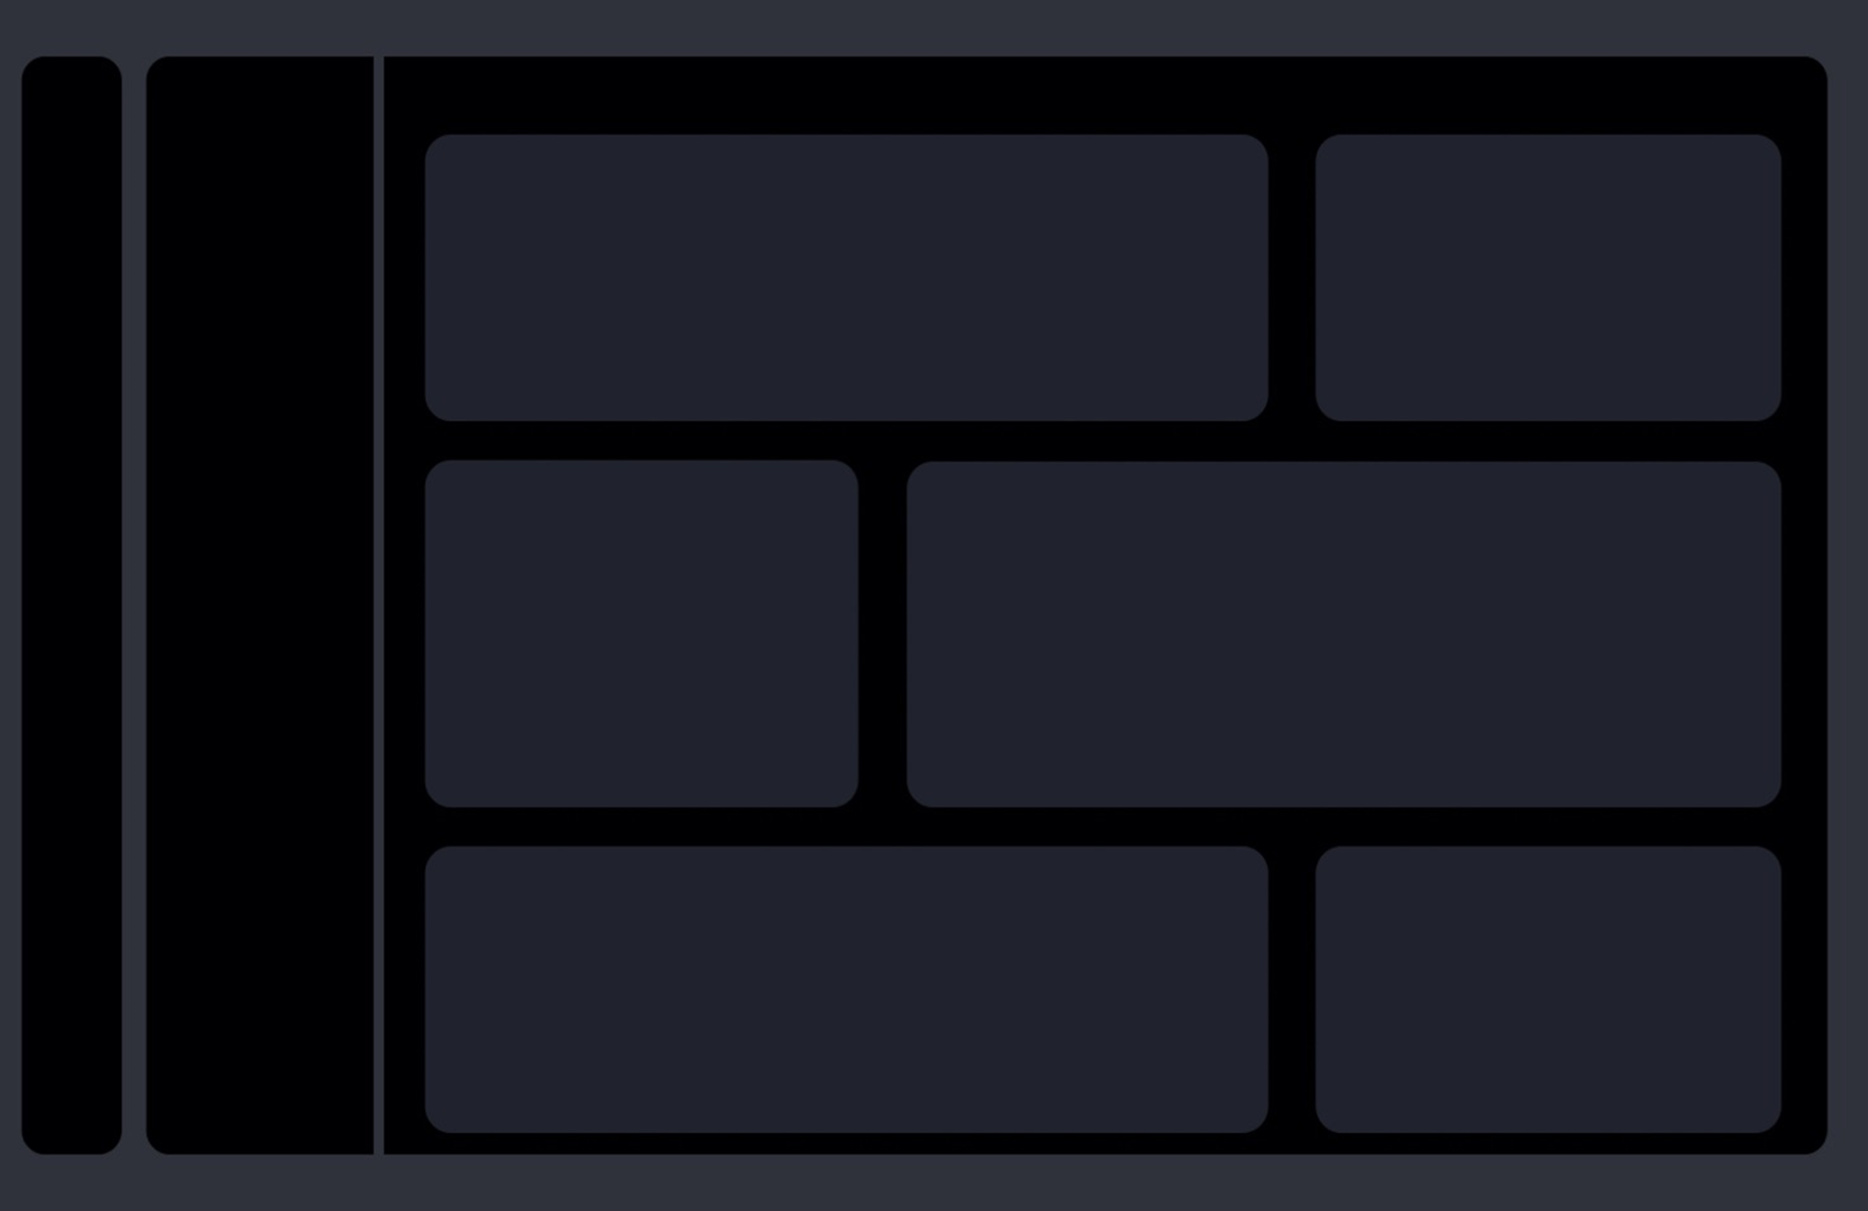

bmw
$2,08,950
27%
mazda
mercedes-benz
jaguar
honda
$1,81,099
$1,67,352
$1,03,800
$99,106
24%
22%
14%
13%
1
2
3
4
5
COST

$2,08,950

bmw

 | 2% | 2% | 2%
 | 37% | 37% | 37%
 | 61% | 61% | 61%
 | Total
alfa-romero | 33000
audi | 88235
bmw | 208950
chevrolet | 18021
dodge | 61958
honda | 99106
isuzu | 17833
jaguar | 103800
mazda | 181099
mercedes-benz | 167352
mercury | 16503
mitsubishi | 44394

 | Total
diesel | 86291
gas | 953960
92%
 | Total
diesel | 86291
gas | 953960
8%

Sheet1
Row Labels | Sum of price
alfa-romero | 33000
audi | 88235
bmw | 208950
chevrolet | 18021
dodge | 61958
honda | 99106
isuzu | 17833
jaguar | 103800
mazda | 181099
mercedes-benz | 167352
mercury | 16503
mitsubishi | 44394
Grand Total | 1040251

Sheet4
Row Labels | Sum of price
diesel | 86291 | 8%
gas | 953960 | 92%
Grand Total | 1040251

Sheet5
Row Labels | Sum of price
4wd | 17450 | 4wd | 17450 | 2% | 2% | 2%
fwd | 386659 | fwd | 386659 | 37% | 37% | 37%
rwd | 636142 | rwd | 636142 | 61% | 61% | 61%
Grand Total | 1040251

